DCR
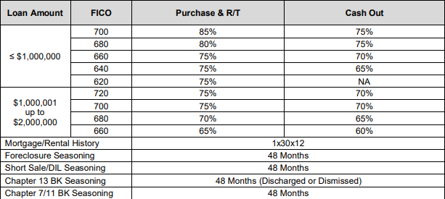
 |  | Investor Advantage DCR Calculation Worksheet

Borrower Name
Property Address
Loan Number
Loan & Property Details
Loan Amount
Purchase Price/Value
LTV (See below for LTV Limitations) |  | 0%
DCR Calculation
Note Rate
Monthly Rent (100% of Gross. Lesser of current or market rents)
Proposed P&I Payment (Use greater of note or qualifying rate)
Monthly Hazard Insurance
Property Taxes
Monthly HOA Dues
Other
Total PITIA |  | $0.00
DCR Calculation (Gross Rents divided by PITIA) |  | 0.0000
Does the Property Cash Flow? | (Minimum DCR = 0.75) | No
Comments:

LTV Limits

